Sheet1
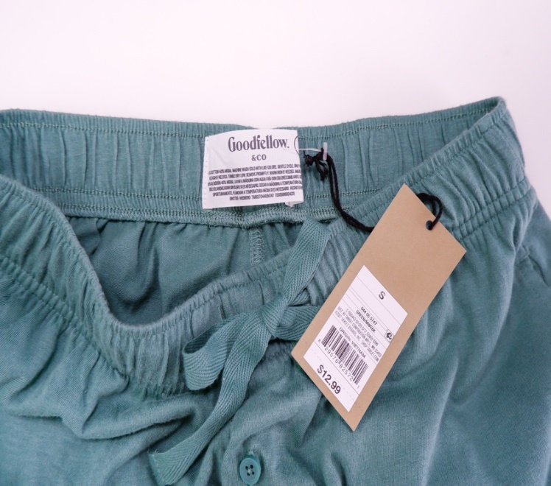
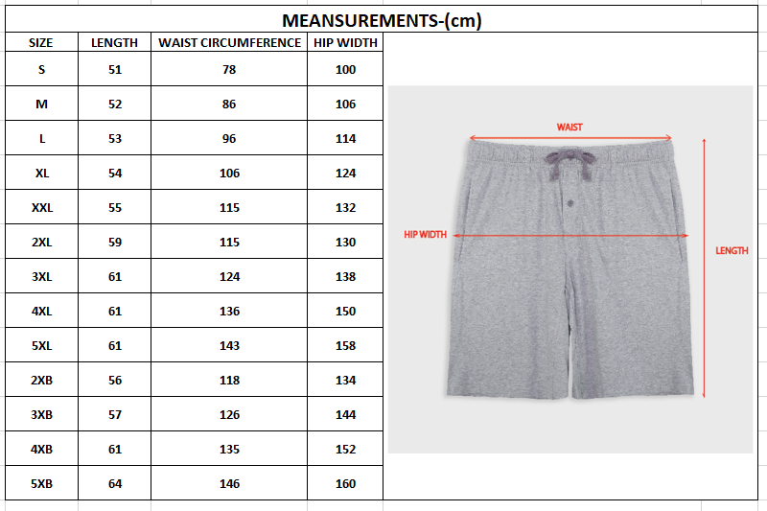

 | ITEM: | MEN SLEEPSHORT
 | BRAND: | GOODFELLOW(TARGET)
 | QUANTITY: | 2147 PCS
 | SIZE | S M L XL XXL 2XL 3XL 4XL..
 | COLOR: | 5 COLORS
 | FABRIC: | KNIT -60% COTTON AND 40% MODAL
 | FOB PRICE : | $ 2.50/PCS

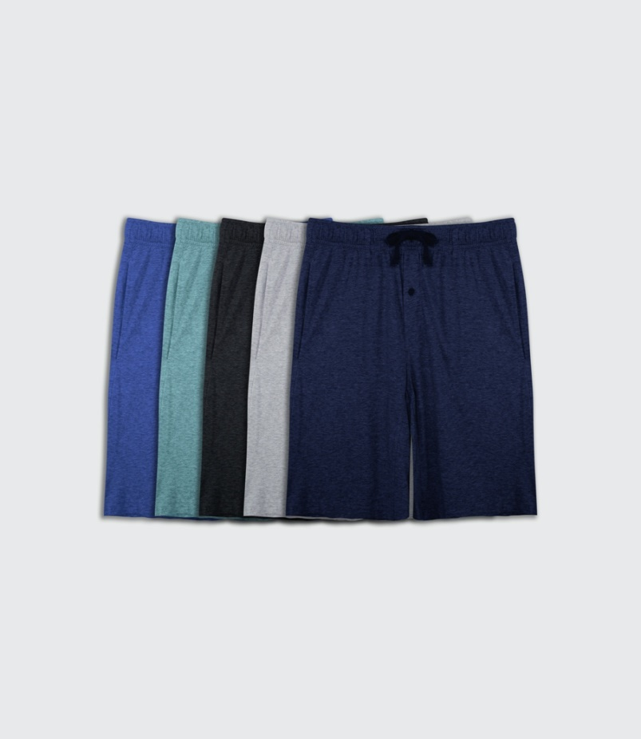 |  |  |  |  | 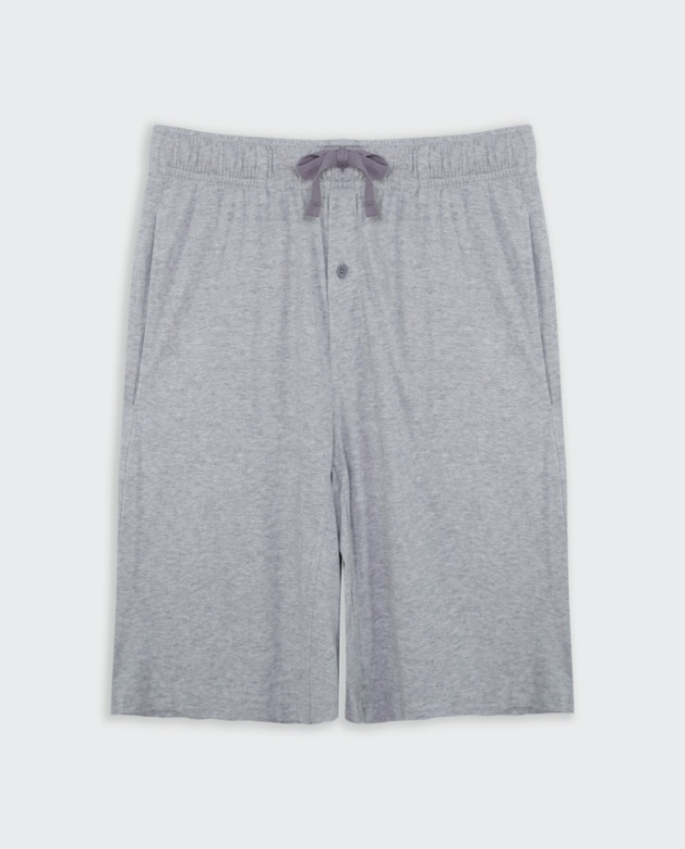 |  |  |  |  | 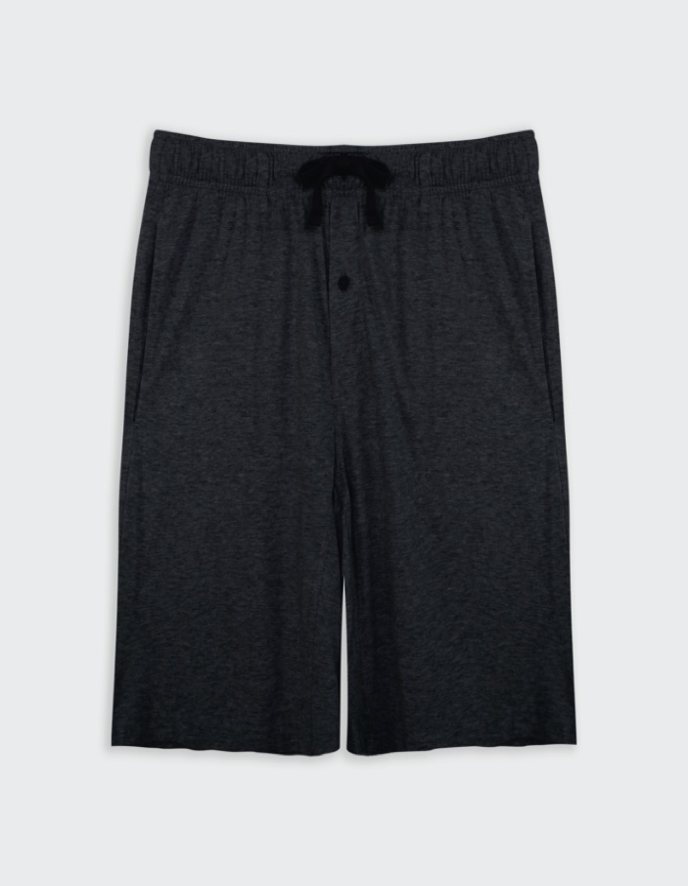
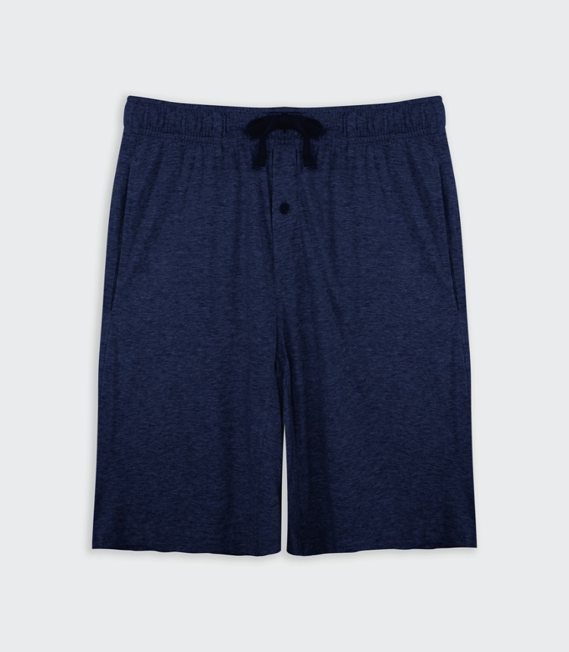 |  |  |  |  | 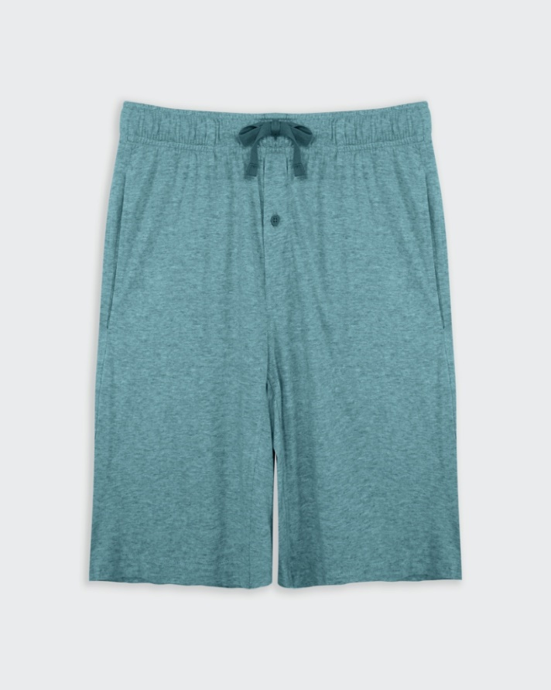 |  |  |  |  | 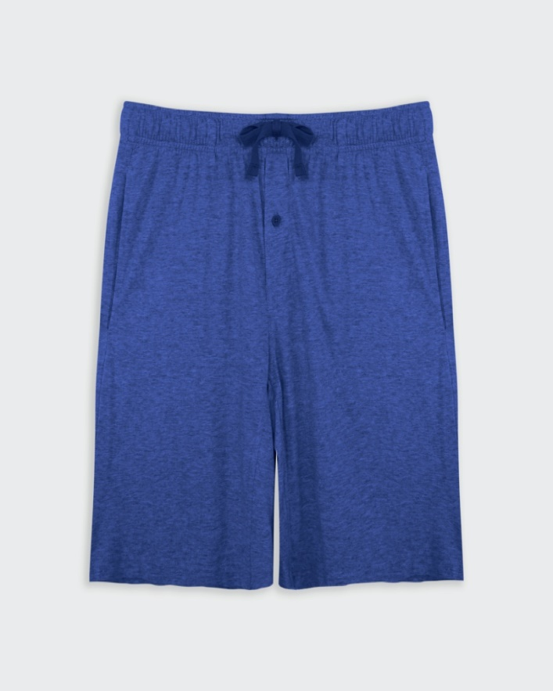
GOODFELLOW
NO | COLORS | S | M | L | XL | XXL | 2XL | 3XL | 4XL | 5XL | 2XB | 3XB | 4XB | 5XB | TOTAL
M1 | 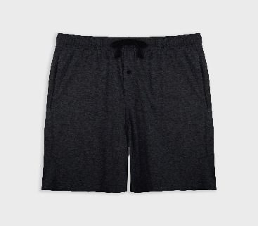 ĐEN | 56
 |  |  | 58
 |  |  |  | 77
 |  |  |  |  | 92
 |  |  |  |  |  | 90
 |  |  |  |  |  |  | 1
 |  |  |  |  |  |  |  | 2
 |  |  |  |  |  |  |  |  |  | 1
 |  |  |  |  |  |  |  |  |  |  | 4
 |  |  |  |  |  |  |  |  |  |  |  | 1
 |  |  |  |  |  |  |  |  |  |  |  |  | 1
 |  |  |  |  |  |  |  |  |  |  |  |  |  | 1 | 384
M2 | 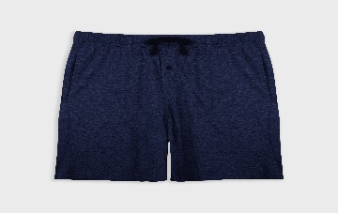 XANH ĐEN | 212
 |  |  | 165
 |  |  |  | 105
 |  |  |  |  | 152
 |  |  |  |  |  | 143 |  |  |  |  |  |  |  |  | 777
M3 | 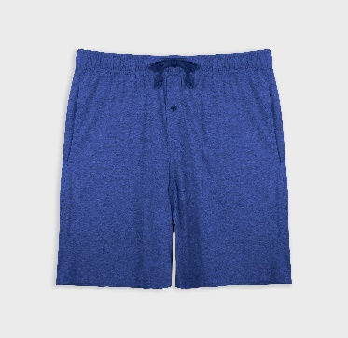 XANH NHẠT | 17
 |  |  | 67
 |  |  |  | 54
 |  |  |  |  | 29
 |  |  |  |  |  | 32
 |  |  |  |  |  |  |  |  |  |  | 4
 |  |  |  |  |  |  |  |  |  |  |  | 1
 |  |  |  |  |  |  |  |  |  |  |  |  | 1 |  | 205
M4 | 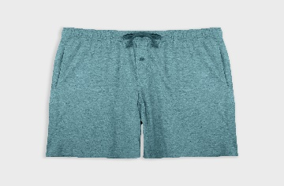 XANH LÁ | 12
 |  |  | 12
 |  |  |  | 6
 |  |  |  |  | 5
 |  |  |  |  |  | 4 |  |  |  |  |  |  |  |  | 39
M5 | 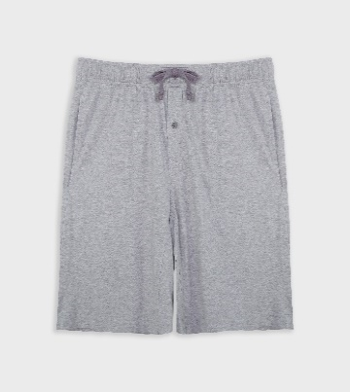 XÁM | 81
 |  |  | 187
 |  |  |  | 188
 |  |  |  |  | 153
 |  |  |  |  |  | 124
 |  |  |  |  |  |  | 3
 |  |  |  |  |  |  |  | 1
 |  |  |  |  |  |  |  |  | 1
 |  |  |  |  |  |  |  |  |  |  | 4 |  |  |  | 742
 |  |  |  |  |  |  |  |  |  |  |  |  |  |  | 2147

